VERCAU
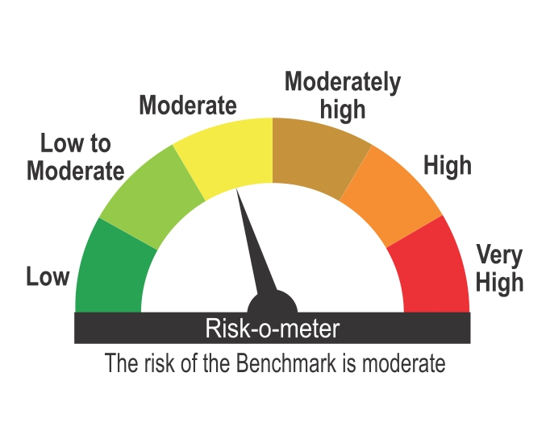
ICICI Prudential Mutual Fund
ICICI Prudential Debt Management Fund (FOF)
Portfolio as on Jan 31,2025
Company/Issuer/Instrument Name | ISIN | Industry/Rating | Quantity | Exposure/Market Value(Rs.Lakh) | % to Nav | Yield of the instrument | Yield to Call @
Units of Mutual Funds |  |  |  | 11008.33 | 97.04%
ICICI Prudential All Seasons Bond Fund - Direct Plan - Growth | INF109K016E5 | Capital Markets | 11489378 | 4400.31 | 38.79%
ICICI Prudential Short Term Fund - Direct Plan - Growth Option | INF109K013N3 | Capital Markets | 5832596 | 3673.04 | 32.38%
ICICI Prudential Medium Term Bond Fund - Direct Plan - Growth | INF109K015A5 | Capital Markets | 3054781 | 1441.90 | 12.71%
ICICI Prudential Floating Interest Fund - Direct Plan | INF109K01P57 | Capital Markets | 139373 | 621.37 | 5.48%
ICICI Prudential Constant Maturity Gilt Fund - Direct Plan - Growth | INF109KA1O37 | Capital Markets | 2428656 | 586.94 | 5.17%
HDFC Nifty G-Sec June 2027 Index Fund - Direct Plan - Growth | INF179KC1EJ8 | Capital Markets | 1759375 | 206.22 | 1.82%
HDFC Ultra Short Term Fund - Direct - Growth | INF179KB15Q6 | Capital Markets | 524400 | 78.55 | 0.69%

TREPS |  |  |  | 344.29 | 3.03%

Net Current Assets |  |  |  | -8.11 | -0.07%
Total Net Assets |  |  |  | 11344.51 | 100.00%

For the Instrument/security whose final ISIN is yet to be assigned, disclosure of ISIN has been made as per the details provided by external agencies.
@ As per AMFI Best Practices Guidelines Circular No. 91/ 2020 - 21 dated March 24, 2021 on Valuation of AT-1 Bonds and Tier 2 Bonds, Yield to call is disclosed for AT-1 Bonds and Tier 2 Bonds issued by Banks as provided by Valuation agencies.
For Instances of Deviation In valuation Of Securities as per SEBI master circular ref no SEBI/HO/IMD/IMD-PoD-1/P/CIR/2023/74 dated May 19, 2023.Refer link: https://www.icicipruamc.com/statutory-disclosures/deviation-in-valuation-of-securities
As per AMFI Best Practices Guidelines Circular No. AMFI/ 35P/ MEM-COR/ 72 / 2022-23 dated December 31, 2022 on Standard format for disclosure Portfolio YTM for Debt Schemes, Yield of the instrument is disclosed on annualized basis as provided by Valuation agencies.

Scheme Riskometer

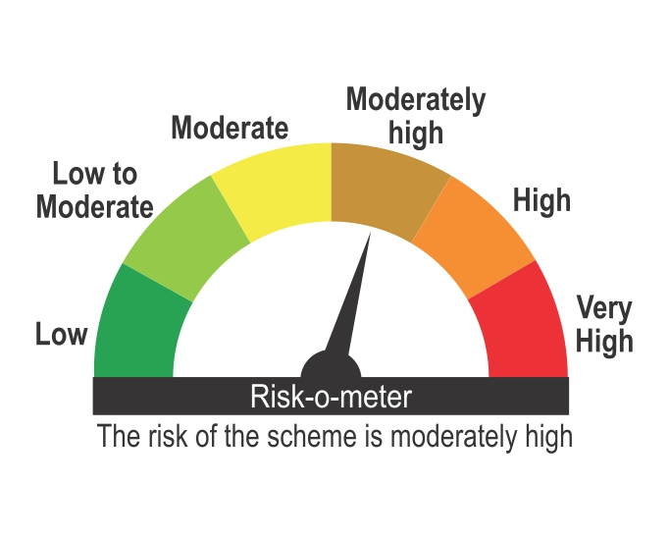

Benchmark Riskometer
Benchmark name - CRISIL Composite Bond Index

